Catering Invoice
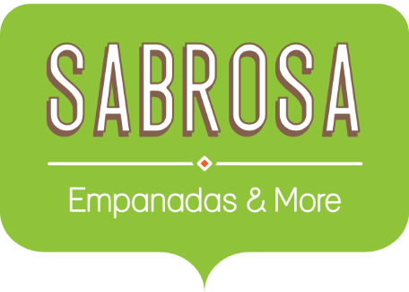 | Catering Invoice Sabrosa Empanadas & More 1202 Biscayne Bay Drive Orlando, FL 32804 | Invoice #: 5686B Date: 05/10/16

SERVICE | DESCRIPTION | LINE TOTAL
Menu Order | Food & beverage
Paper Goods | Plates, utensils, cups | $110.87
Rental Equipment | Tables, chairs, linens | $249.95
Service Fee | 18% of food & beverage | $0.00
TOTAL |  | $360.82

Paper Goods
 | Catering Invoice Sabrosa Empanadas & More 1202 Biscayne Bay Drive Orlando, FL 32804 |  | Invoice #: 5686B Date: 05/10/16
 |  |  | TAX RATE: | 6.5%
ITEM | UNIT PRICE | QUANTITY | SALES TAX | LINE TOTAL
10.5" Extra Thick Dinner Plates - 20 count | $3.79 | 15 |  | $56.85
8" Deep Dessert Plates - 15 count | $3.99 | 20 |  | $79.80
16 oz. Beverage Cups - 30 count | $1.29 | 10 |  | $12.90
12 oz. Styrofoam Coffee Cups - 20 count | $1.59 | 15 |  | $23.85
50 count Plastic Spoons - White | $2.59 | 6 |  | $15.54
50 count Plastic Forks - White | $2.69 | 6 |  | $16.14
50 count Plastic Knives - White | $2.19 | 6 |  | $13.14
100 count Dinner Napkins - Blue | $1.39 | 3 |  | $4.17
75 count Beverage Napkins - Green | $1.19 | 4 |  | $4.76
 |  |  | TOTAL | $227.15

